Film Table Numerical Data
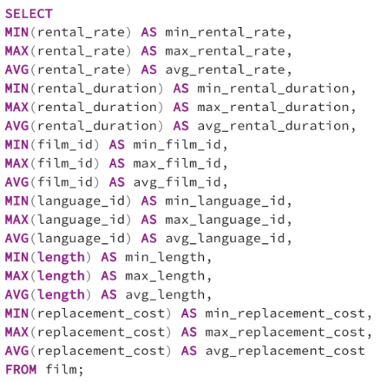
min_rental_rate | max_rental_rate | avg_rental_rate | min_rental_duration | max_rental_duration | avg_rental_duration | min_film_id | max_film_id | avg_film_id | min_language_id | max_language_id | avg_language_id | min_length | max_length | avg_length | min_replacement_cost | max_replacement_cost | avg_replacement_cost
0.99 | 4.99 | 2.98 | 3 | 7 | 4.985 | 1 | 1000 | 500.5 | 1 | 1 | 1 | 46 | 185 | 115.272 | 9.99 | 29.99 | 19.984

Customer Table Numerical Data
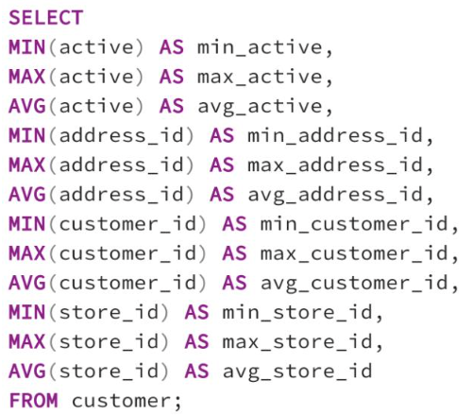
min_active | max_active | avg_active | min_address_id | max_address_id | avg_address_id | min_customer_id | max_customer_id | avg_customer_id | min_store_id | max_store_id | avg_store_id
0 | 1 | 0.97495826377 | 5 | 605 | 304.7245409 | 1 | 599 | 300 | 1 | 2 | 1.4557595993

Film Table Non-Numerical Data
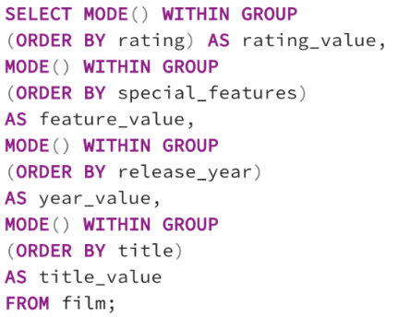
rating_value | feature_value | year_value | title_value
PG-13 | {Trailers,Commentaries,"Behind the Scenes"} | 2006 | Academy Dinosaur

Customer Table Non-numerical Da
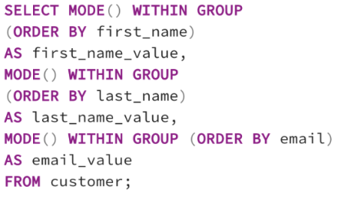
Column1 | Column2 | Column3
first_name_value | last_name_value | email_value
Jamie | Abney | aaron.selby@sakilacustomer.org

Top 10 Countries by Cust. Count
country | customer_count
India | 60
China | 53
United States | 36
Japan | 31
Mexico | 30
Brazil | 28
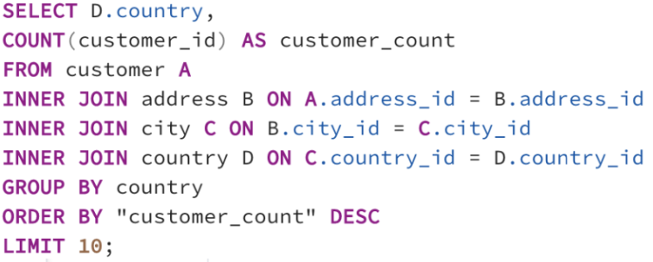
Russian Federation | 28
Philippines | 20
Turkey | 15
Indonesia | 14

Cities with Top 10 Cust.
city | customer_count
Aurora | 2
Tokat | 1
Tarsus | 1
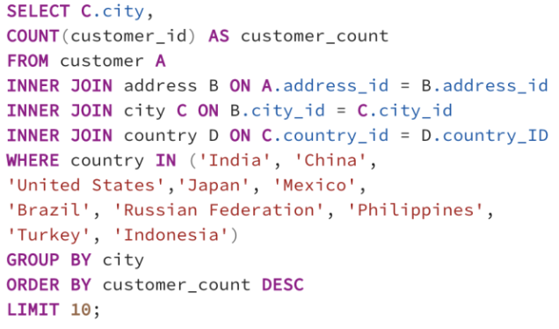
Atlixco | 1
Emeishan | 1
Pontianak | 1
Shimoga | 1
Aparecida de Goinia | 1
Zalantun | 1
Taguig | 1

Top 5 Customers
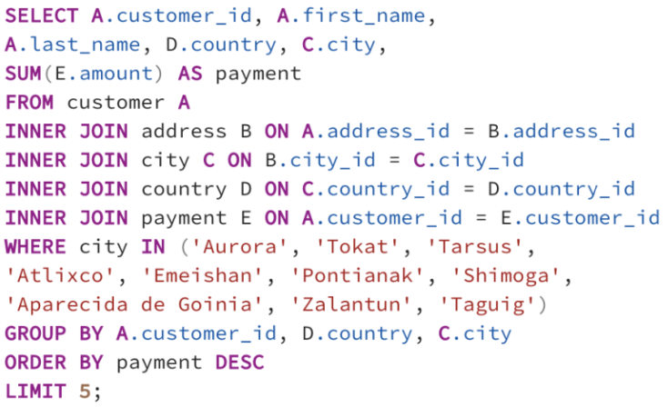
customer_id | first_name | last_name | country | city | payment
566 | Casey | Mena | Turkey | Tokat | 130.68
84 | Sara | Perry | Mexico | Atlixco | 128.7
506 | Leslie | Seward | Indonesia | Pontianak | 123.72
389 | Alan | Kahn | China | Emeishan | 119.75
537 | Clinton | Buford | United States | Aurora | 98.76

Revenue By Country
country | customer_count | total_revenue
China | 1296 | 447841
India | 1421 | 376853
Mexico | 718 | 267511
United States | 873 | 229481
Japan | 748 | 205780
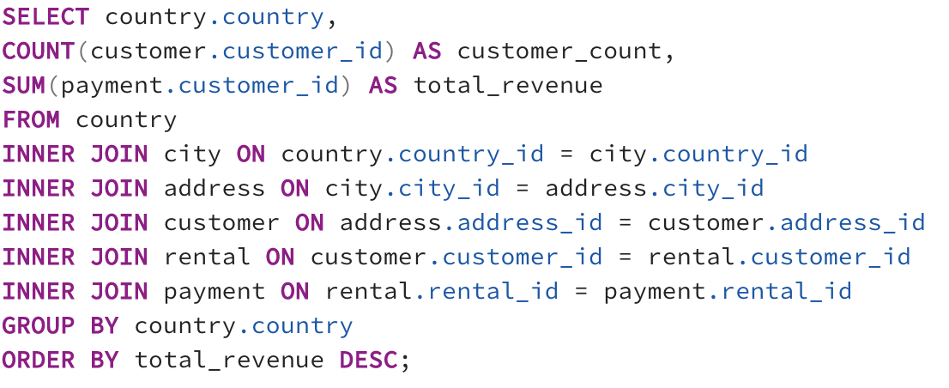
Brazil | 681 | 185002
Russian Federation | 638 | 182420
Philippines | 530 | 163140
Indonesia | 331 | 123444
Turkey | 351 | 115018
Argentina | 320 | 103261
Taiwan | 290 | 77115
Poland | 184 | 75929
Nigeria | 308 | 72301
United Kingdom | 203 | 70640
Vietnam | 155 | 67940
Italy | 174 | 64662
South Africa | 254 | 63388
Iran | 204 | 57362
Canada | 130 | 51953
Egypt | 152 | 50519
Venezuela | 157 | 48639
Ukraine | 147 | 42167
Germany | 176 | 40988
Spain | 120 | 40688
Peru | 99 | 38422
Netherlands | 127 | 37368
Ecuador | 82 | 36619
Colombia | 146 | 35841
Yemen | 107 | 32378
South Korea | 123 | 30082
Dominican Republic | 74 | 27472
Tanzania | 78 | 23718
Pakistan | 116 | 23613
Romania | 58 | 22331
United Arab Emirates | 75 | 21884
Chile | 66 | 21056
Mozambique | 75 | 20443
Israel | 87 | 20416
Angola | 45 | 20135
Saudi Arabia | 106 | 20103
Bolivia | 44 | 19492
Algeria | 82 | 19126
Belarus | 64 | 18408
Cameroon | 51 | 18213
Bulgaria | 48 | 18120
Cambodia | 49 | 18084
Switzerland | 59 | 17669
Kazakstan | 49 | 17640
Hungary | 29 | 17168
Puerto Rico | 52 | 17160
Bangladesh | 81 | 16871
Thailand | 92 | 16060
Congo, The Democratic Republic of the | 42 | 16014
Gambia | 27 | 15768
Paraguay | 60 | 15681
Azerbaijan | 47 | 15676
Iraq | 27 | 15633
Nauru | 30 | 15390
Chad | 28 | 14980
Kenya | 51 | 14603
Austria | 70 | 14290
Malaysia | 77 | 14235
Bahrain | 24 | 14160
France | 88 | 13730
Greece | 46 | 13184
Zambia | 30 | 13140
Yugoslavia | 51 | 12915
Virgin Islands, U.S. | 31 | 12586
Estonia | 28 | 12432
Morocco | 65 | 12318
Lithuania | 22 | 12254
Anguilla | 32 | 12192
Oman | 44 | 12132
Latvia | 57 | 11031
Sri Lanka | 27 | 11016
Senegal | 24 | 10944
Ethiopia | 23 | 9016
Sudan | 49 | 9005
Slovakia | 23 | 8211
Faroe Islands | 24 | 7608
Czech Republic | 28 | 7420
Tunisia | 22 | 7370
Hong Kong | 24 | 6936
Runion | 45 | 6660
Myanmar | 47 | 6488
Finland | 21 | 6258
Saint Vincent and the Grenadines | 18 | 5868
Kuwait | 25 | 5850
Greenland | 28 | 5796
Tonga | 16 | 5504
Nepal | 17 | 5457
Turkmenistan | 26 | 5200
American Samoa | 15 | 4800
North Korea | 29 | 4553
Malawi | 27 | 4482
Afghanistan | 18 | 3924
Brunei | 34 | 3094
French Polynesia | 48 | 2402
Tuvalu | 22 | 2310
Sweden | 33 | 2178
Madagascar | 21 | 1701
Liechtenstein | 26 | 1482
French Guiana | 20 | 1300
Moldova | 34 | 1292
Armenia | 25 | 1025
Holy See (Vatican City State) | 32 | 832
New Zealand | 23 | 184

RevByGenre
genre | total_revenue
Sports | 4892.19
Sci-Fi | 4336.01
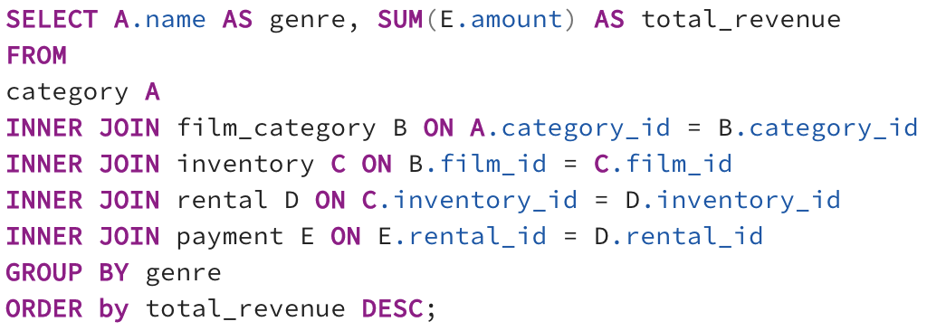
Animation | 4245.31
Drama | 4118.46
Comedy | 4002.48
New | 3966.38
Action | 3951.84
Foreign | 3934.47
Games | 3922.18
Family | 3782.26
Documentary | 3749.65
Horror | 3401.27
Classics | 3353.38
Children | 3309.39
Travel | 3227.36
Music | 3071.52
Thriller | 47.89

Top Films
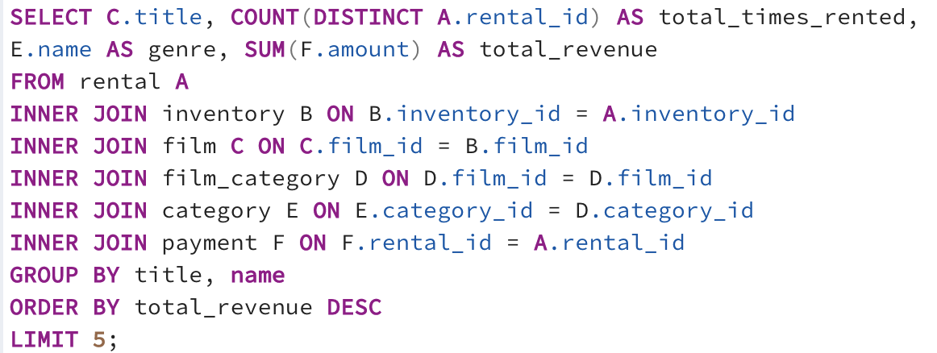
title | total_times_rented | genre | total_revenue
Telegraph Voyage | 25 | Sports | 15965.5
Telegraph Voyage | 25 | Foreign | 15749.75
Zorro Ark | 28 | Sports | 14779.28
Wife Turn | 27 | Sports | 14706.02
Telegraph Voyage | 25 | Family | 14671

WorstFilms
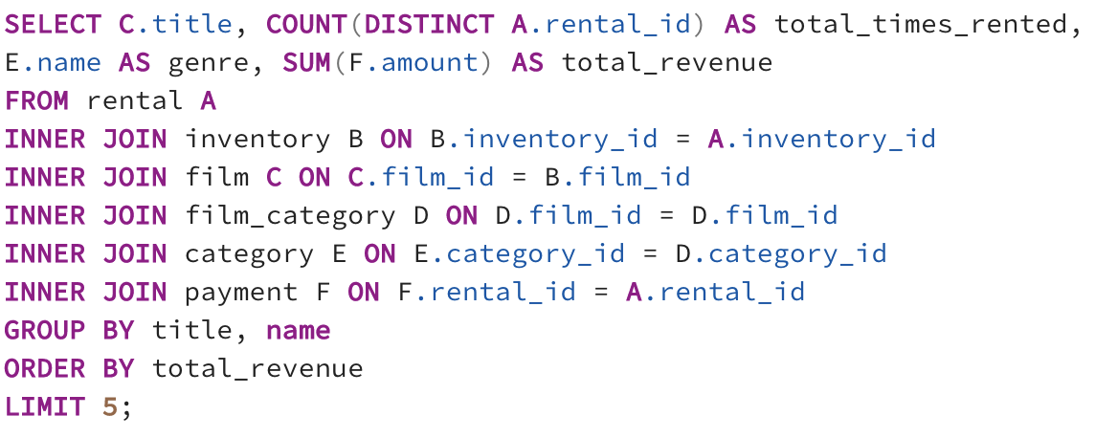
title | total_times_rented | genre | total_revenue
Duffel Apocalypse | 6 | Thriller | 5.94
Oklahoma Jumanji | 6 | Thriller | 5.94
Texas Watch | 6 | Thriller | 5.94
Freedom Cleopatra | 5 | Thriller | 5.95
Rebel Airport | 7 | Thriller | 6.93

Countries By Customers&Payment
country | customer_count | total_payment
India | 1422 | 6034.78
China | 1297 | 5251.03
United States | 869 | 3685.31
Japan | 749 | 3122.51
Mexico | 718 | 2984.82
Brazil | 681 | 2919.19
Russian Federation | 638 | 2765.62
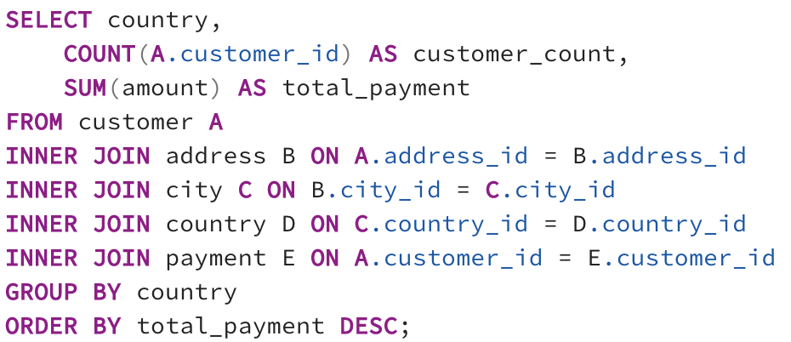
Philippines | 530 | 2219.7
Turkey | 351 | 1498.49
Indonesia | 331 | 1352.69
Nigeria | 308 | 1314.92
Argentina | 320 | 1298.8
Taiwan | 290 | 1155.1
South Africa | 254 | 1069.46
Iran | 204 | 877.96
United Kingdom | 204 | 850.96
Poland | 184 | 786.16
Italy | 174 | 753.26
Germany | 176 | 741.24
Vietnam | 155 | 676.45
Ukraine | 147 | 675.53
Colombia | 146 | 661.54
Egypt | 152 | 659.48
Venezuela | 157 | 632.43
Canada | 130 | 559.7
Netherlands | 127 | 557.73
South Korea | 123 | 527.77
Spain | 120 | 513.8
Yemen | 107 | 473.93
Pakistan | 116 | 473.84
Saudi Arabia | 106 | 452.94
Peru | 99 | 407.01
Thailand | 92 | 401.08
Israel | 87 | 379.13
Ecuador | 82 | 369.18
Bangladesh | 81 | 353.19
Algeria | 82 | 349.18
France | 88 | 334.12
Malaysia | 77 | 330.23
Tanzania | 78 | 322.22
Mozambique | 75 | 315.25
United Arab Emirates | 75 | 305.25
Dominican Republic | 74 | 304.26
Chile | 66 | 303.34
Austria | 70 | 284.3
Morocco | 65 | 274.35
Paraguay | 60 | 273.4
Belarus | 64 | 271.36
Latvia | 57 | 249.43
Switzerland | 59 | 248.41
Kenya | 51 | 245.49
Yugoslavia | 51 | 233.49
Puerto Rico | 52 | 224.48
Romania | 58 | 218.42
Runion | 45 | 211.55
French Polynesia | 48 | 205.52
Greece | 46 | 204.54
Sudan | 49 | 202.51
Azerbaijan | 47 | 198.53
Bulgaria | 48 | 194.52
Kazakstan | 49 | 192.51
Angola | 45 | 187.55
Cameroon | 51 | 186.49
Myanmar | 47 | 179.53
Cambodia | 49 | 179.51
Bolivia | 44 | 178.56
Congo, The Democratic Republic of the | 42 | 168.58
Oman | 44 | 161.56
Holy See (Vatican City State) | 32 | 146.68
Nauru | 30 | 143.7
Sweden | 33 | 139.67
Czech Republic | 28 | 132.72
Moldova | 34 | 127.66
Turkmenistan | 26 | 126.74
Chad | 28 | 122.72
Malawi | 27 | 121.73
Zambia | 30 | 121.7
Virgin Islands, U.S. | 31 | 121.69
Greenland | 28 | 119.72
Armenia | 25 | 118.75
Gambia | 27 | 114.73
Iraq | 27 | 111.73
Hungary | 29 | 111.71
Bahrain | 24 | 108.76
North Korea | 29 | 107.71
Brunei | 34 | 107.66
Kuwait | 25 | 106.75
Estonia | 28 | 105.72
Hong Kong | 24 | 104.76
Sri Lanka | 27 | 103.73
Liechtenstein | 26 | 99.74
Anguilla | 32 | 99.68
French Guiana | 20 | 97.8
Faroe Islands | 24 | 96.76
Senegal | 24 | 95.76
Nepal | 17 | 93.83
Tuvalu | 22 | 93.78
Madagascar | 21 | 92.79
Ethiopia | 23 | 91.77
New Zealand | 23 | 85.77
Slovakia | 23 | 80.77
Finland | 21 | 78.79
Tunisia | 22 | 73.78
Afghanistan | 18 | 67.82
Tonga | 16 | 64.84
Saint Vincent and the Grenadines | 18 | 64.82
Lithuania | 22 | 63.78
American Samoa | 15 | 47.85

